Twinset stock lot list offer
brand | photo | description | color | art code | q.ty | 35.5 | 36 | 36.5 | 37 | 37.5 | 38 | 38.5 | 39 | 39.5 | 40 | 40.5 | 41 | whole sale price | tot retail price | tot value wholesale | tot value retail
Twinset | 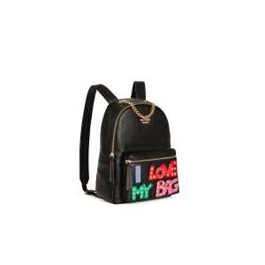 | ZAINO | NERO | 191MA7073 | 16 |  |  |  |  |  |  |  |  |  |  |  |  | 69.00 € | 178.00 € | 1,104.00 € | € 2,848.00
Twinset | 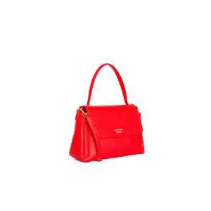 | TRACOLLA C/PATT |  | 191MA7102 | 13 |  |  |  |  |  |  |  |  |  |  |  |  | 49.50 € | 128.00 € | 643.50 € | € 1,664.00
Twinset |  | TRACOLLA C/PATT | PAPAVERO | 191MA7102 | 24 |  |  |  |  |  |  |  |  |  |  |  |  | 49.50 € | 128.00 € | 1,188.00 € | € 3,072.00
Twinset | 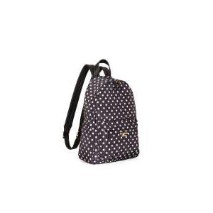 | ZAINO | ST.POIS NERO/WHITE | 191MA7122 | 18 |  |  |  |  |  |  |  |  |  |  |  |  | 45.50 € | 118.00 € | 819.00 € | € 2,124.00
Twinset | 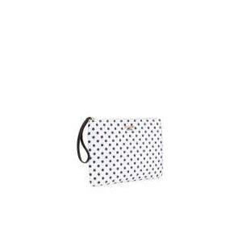 | POCHETTE | ST.POIS WHITE/NERO | 191MA7123 | 18 |  |  |  |  |  |  |  |  |  |  |  |  | 25.50 € | 65.00 € | 459.00 € | € 1,170.00
Twinset |  | POCHETTE | ST.POIS NERO/WHITE | 191MA7123 | 12 |  |  |  |  |  |  |  |  |  |  |  |  | 25.50 € | 65.00 € | 306.00 € | € 780.00
Twinset | 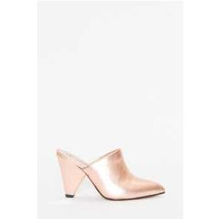 | SABOT | NERO | 191MCP01A | 1 |  |  |  | 1 |  |  |  |  |  |  |  |  | 64.00 € | 159.00 € | 64.00 € | € 159.00
Twinset | 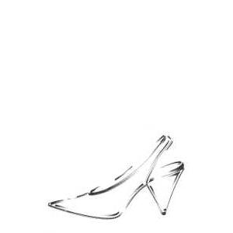 | DECOLLETE' | NERO | 191MCP020 | 28 |  | 7 |  | 4 |  | 7 |  | 2 |  |  |  |  | 60.00 € | 149.00 € | 1,680.00 € | € 4,172.00
Twinset | 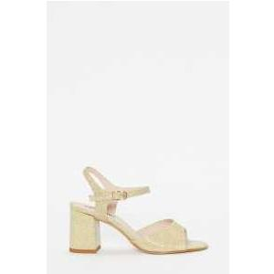 | SANDALO | ORO FREE | 191MCP030 | 26 |  | 6 |  | 8 |  | 5 |  | 3 |  | 1 |  | 2 | 56.00 € | 139.00 € | 1,456.00 € | € 3,614.00
Twinset |  | SANDALO | ARGENTO | 191MCP030 | 1 |  |  |  |  |  |  |  |  |  |  |  |  | 56.00 € | 139.00 € | 56.00 € | € 139.00
Twinset | 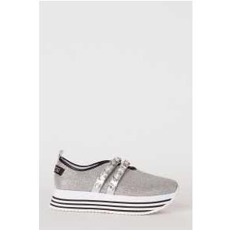 | RUNNING | ARGENTO | 191MCP036 | 25 |  | 7 |  | 5 |  | 4 |  | 3 |  | 4 |  | 1 | 57.50 € | 155.00 € | 1,437.50 € | € 3,875.00
Twinset | 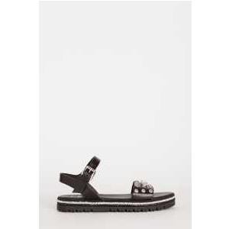 | SANDALO | NERO | 191MCP03S | 14 |  |  |  | 12 |  | 1 |  |  |  |  |  |  | 59.50 € | 148.00 € | 833.00 € | € 2,072.00
Twinset | 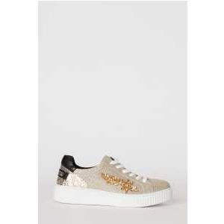 | SNEAKER | ORO FREE | 191MCP03U | 17 |  | 9 |  |  |  |  |  | 4 |  | 4 |  |  | 56.00 € | 149.00 € | 952.00 € | € 2,533.00
Twinset | 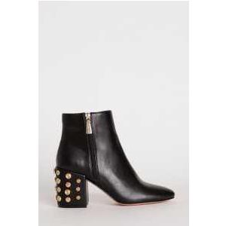 | TRONCHETTO | NERO | 191MCP046 | 19 |  | 3 |  |  |  | 3 |  |  |  | 1 |  | 1 | 64.00 € | 159.00 € | 1,216.00 € | € 3,021.00
Twinset | 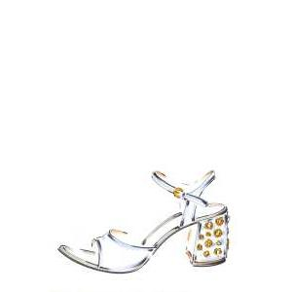 | SANDALO | NERO | 191MCP04A | 41 |  | 7 |  | 16 |  | 9 |  | 3 |  | 2 |  | 1 | 67.50 € | 168.00 € | 2,767.50 € | € 6,888.00
Twinset | 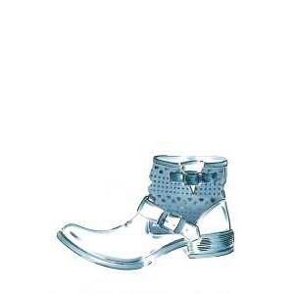 | BIKER | NERO | 191MCP060 | 38 |  | 4 |  | 11 |  | 10 |  | 5 |  | 6 |  | 1 | 72.00 € | 179.00 € | 2,736.00 € | € 6,802.00
Twinset | 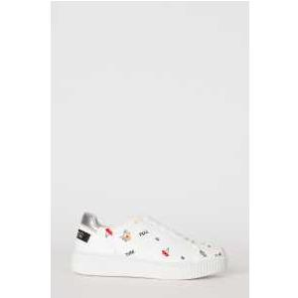 | SNEAKER | ARGENTO | 191MCP080 | 23 |  | 3 |  | 7 |  | 5 |  | 1 |  |  |  | 1 | 52.00 € | 139.00 € | 1,196.00 € | € 3,197.00
Twinset | 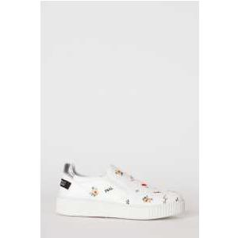 | SLIP ON | ORO FREE | 191MCP082 | 16 |  | 3 |  | 2 |  | 8 |  |  |  | 1 |  |  | 52.00 € | 139.00 € | 832.00 € | € 2,224.00
Twinset |  | SLIP ON | WHITE | 191MCP082 | 21 |  | 6 |  | 5 |  |  |  | 6 |  | 4 |  |  | 52.00 € | 139.00 € | 1,092.00 € | € 2,919.00
Twinset | 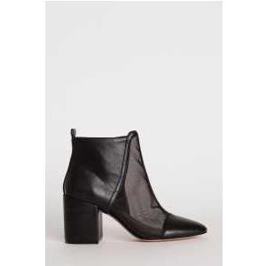 | TRONCHETTO | NERO | 191MCP090 | 41 |  | 7 |  | 13 |  | 10 |  | 4 |  | 2 |  |  | 60.00 € | 149.00 € | 2,460.00 € | € 6,109.00
Twinset | 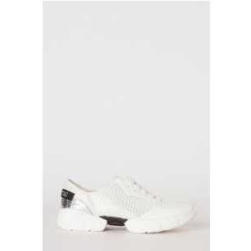 | RUNNING | NERO | 191MCP096 | 41 |  | 4 |  | 11 |  | 5 |  | 5 |  | 8 |  | 5 | 52.00 € | 139.00 € | 2,132.00 € | € 5,699.00
Twinset |  | RUNNING | WHITE | 191MCP096 | 32 |  | 2 |  | 3 |  | 3 |  | 11 |  | 5 |  | 5 | 52.00 € | 139.00 € | 1,664.00 € | € 4,448.00
Twinset | 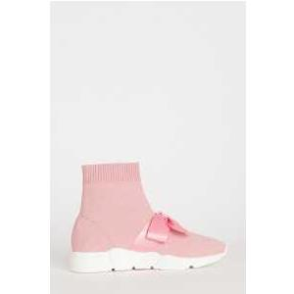 | RUNNING | NERO | 191MCP102 | 30 |  | 6 |  | 7 |  | 4 |  | 4 |  | 2 |  | 3 | 42.00 € | 113.00 € | 1,260.00 € | € 3,390.00
Twinset |  | RUNNING | SURREAL PINK | 191MCP102 | 38 |  | 5 |  | 11 |  | 4 |  | 3 |  | 5 |  | 3 | 42.00 € | 113.00 € | 1,596.00 € | € 4,294.00
Twinset | 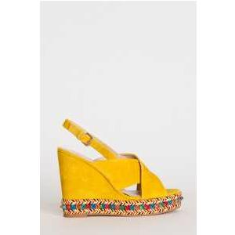 | SANDALO | NERO | 191MCP130 | 43 |  | 12 |  | 7 |  | 4 |  | 5 |  | 4 |  | 1 | 60.00 € | 149.00 € | 2,580.00 € | € 6,407.00
Twinset | 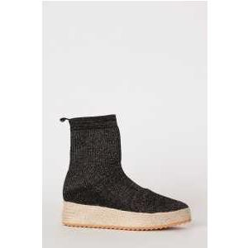 | RUNNING | ST.MACROPOIS NERO/WHITE | 191MCP160 | 12 |  |  |  | 12 |  |  |  |  |  |  |  |  | 56.00 € | 139.00 € | 672.00 € | € 1,668.00
Twinset | 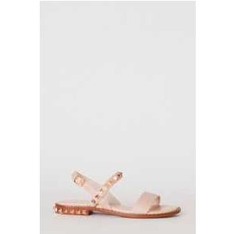 | SANDALO | NERO | 191MCP190 | 14 |  | 1 |  | 7 |  |  |  | 1 |  | 2 |  |  | 44.00 € | 109.00 € | 616.00 € | € 1,526.00
Twinset | 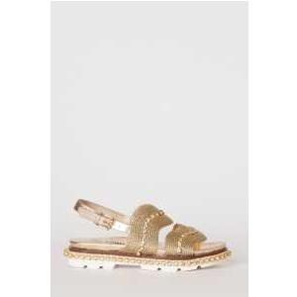 | SANDALO | ORO FREE | 191MCP202 | 18 |  | 1 |  | 8 |  | 2 |  | 3 |  | 2 |  | 1 | 44.00 € | 109.00 € | 792.00 € | € 1,962.00
Twinset |  | SANDALO | SURREAL PINK | 191MCP202 | 14 |  |  |  | 9 |  | 2 |  | 1 |  | 1 |  |  | 44.00 € | 109.00 € | 616.00 € | € 1,526.00
Twinset | 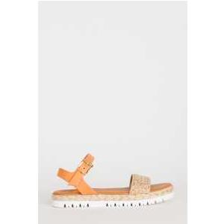 | SANDALO | ORO FREE | 191MCP210 | 18 |  | 2 |  | 10 |  | 2 |  | 1 |  | 1 |  |  | 56.00 € | 139.00 € | 1,008.00 € | € 2,502.00
Twinset | 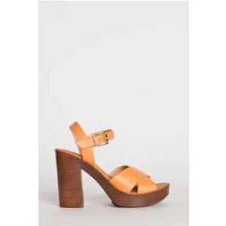 | SANDALO | NERO | 191MCP220 | 14 |  | 3 |  | 5 |  |  |  |  |  |  |  |  | 58.00 € | 145.00 € | 812.00 € | € 2,030.00
Twinset |  | SANDALO | CUOIO | 191MCP220 | 16 |  | 4 |  | 6 |  | 2 |  |  |  |  |  |  | 58.00 € | 145.00 € | 928.00 € | € 2,320.00
Twinset | 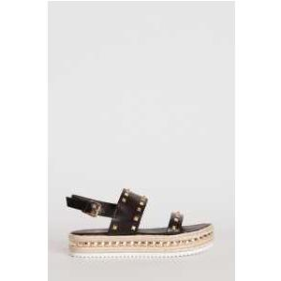 | SANDALO | NERO | 191MCP230 | 16 |  | 5 |  | 7 |  | 1 |  | 1 |  | 1 |  | 1 | 58.00 € | 145.00 € | 928.00 € | € 2,320.00
Twinset | 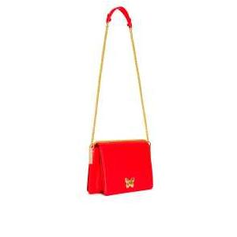 | TRACOLLA | RUBY FARFALLA | 191TA7140 | 32 |  |  |  |  |  |  |  |  |  |  |  |  | 99.50 € | 248.00 € | 3,184.00 € | € 7,936.00
Twinset |  | TRACOLLA | WILD ROSE CUORE | 191TA7140 | 35 |  |  |  |  |  |  |  |  |  |  |  |  | 99.50 € | 248.00 € | 3,482.50 € | € 8,680.00
Twinset |  | TRACOLLA | NERO CUORE | 191TA7140 | 2 |  |  |  |  |  |  |  |  |  |  |  |  | 99.50 € | 248.00 € | 199.00 € | € 496.00
Twinset | 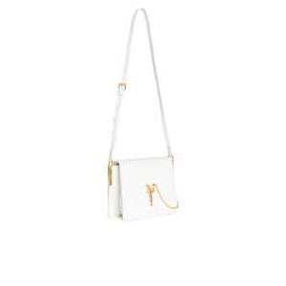 | TRACOLLA | NEVE FARFALLA | 191TA7141 | 14 |  |  |  |  |  |  |  |  |  |  |  |  | 91.50 € | 228.00 € | 1,281.00 € | € 3,192.00
Twinset |  | TRACOLLA | MYKONOS BLUE CUORE | 191TA7141 | 13 |  |  |  |  |  |  |  |  |  |  |  |  | 91.50 € | 228.00 € | 1,189.50 € | € 2,964.00
Twinset | 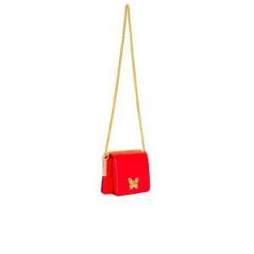 | TRACOLLA | RUBY FARFALLA | 191TA7142 | 47 |  |  |  |  |  |  |  |  |  |  |  |  | 87.50 € | 218.00 € | 4,112.50 € | € 10,246.00
Twinset |  | TRACOLLA | YELLOW FARFALLA | 191TA7142 | 38 |  |  |  |  |  |  |  |  |  |  |  |  | 87.50 € | 218.00 € | 3,325.00 € | € 8,284.00
Twinset |  | TRACOLLA | NERO CUORE | 191TA7142 | 15 |  |  |  |  |  |  |  |  |  |  |  |  | 87.50 € | 218.00 € | 1,312.50 € | € 3,270.00
Twinset | 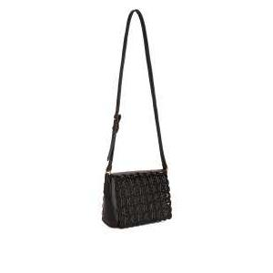 | TRACOLLA | YELLOW | 191TA7162 | 15 |  |  |  |  |  |  |  |  |  |  |  |  | 47.50 € | 118.00 € | 712.50 € | € 1,770.00
Twinset | 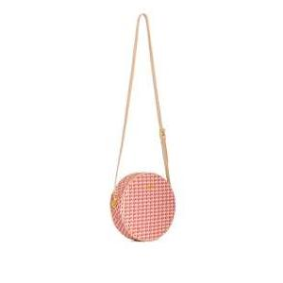 | TRACOLLA | ST.FARFALLE PERLA ROSA | 191TA7175 | 16 |  |  |  |  |  |  |  |  |  |  |  |  | 51.50 € | 128.00 € | 824.00 € | € 2,048.00
Twinset |  | TRACOLLA | ST.FARFALLE RUBY | 191TA7175 | 1 |  |  |  |  |  |  |  |  |  |  |  |  | 51.50 € | 128.00 € | 51.50 € | € 128.00
Twinset | 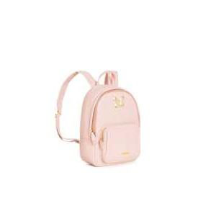 | ZAINO | NERO | 191TA7192 | 15 |  |  |  |  |  |  |  |  |  |  |  |  | 119.50 € | 298.00 € | 1,792.50 € | € 4,470.00
Twinset |  | ZAINO | PERLA ROSA | 191TA7192 | 28 |  |  |  |  |  |  |  |  |  |  |  |  | 119.50 € | 298.00 € | 3,346.00 € | € 8,344.00
Twinset | 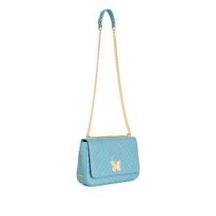 | TRACOLLA | MYKONOS BLUE CHIARO | 191TA7193 | 13 |  |  |  |  |  |  |  |  |  |  |  |  | 99.50 € | 248.00 € | 1,293.50 € | € 3,224.00
Twinset | 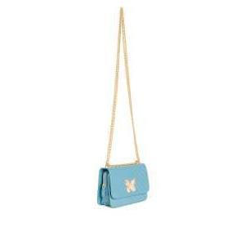 | TRACOLLA | NERO | 191TA7194 | 45 |  |  |  |  |  |  |  |  |  |  |  |  | 91.50 € | 228.00 € | 4,117.50 € | € 10,260.00
Twinset |  | TRACOLLA | PERLA ROSA | 191TA7194 | 41 |  |  |  |  |  |  |  |  |  |  |  |  | 91.50 € | 228.00 € | 3,751.50 € | € 9,348.00
Twinset |  | TRACOLLA | MYKONOS BLUE CHIARO | 191TA7194 | 13 |  |  |  |  |  |  |  |  |  |  |  |  | 91.50 € | 228.00 € | 1,189.50 € | € 2,964.00
Twinset | 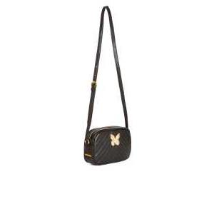 | TRACOLLA | NERO | 191TA7195 | 17 |  |  |  |  |  |  |  |  |  |  |  |  | 79.50 € | 198.00 € | 1,351.50 € | € 3,366.00
Twinset | 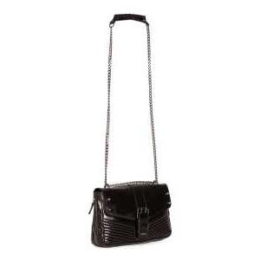 | TRACOLLA | RUBY | 191TA7233 | 29 |  |  |  |  |  |  |  |  |  |  |  |  | 99.50 € | 248.00 € | 2,885.50 € | € 7,192.00
Twinset | 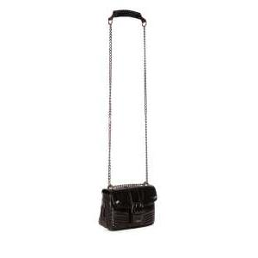 | TRACOLLA | PERLA ROSA | 191TA7237 | 29 |  |  |  |  |  |  |  |  |  |  |  |  | 91.50 € | 228.00 € | 2,653.50 € | € 6,612.00
Twinset |  | TRACOLLA | RUBY | 191TA7237 | 15 |  |  |  |  |  |  |  |  |  |  |  |  | 91.50 € | 228.00 € | 1,372.50 € | € 3,420.00
Twinset | 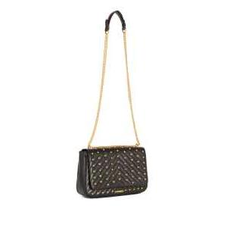 | TRACOLLA | NERO | 191TA7282 | 20 |  |  |  |  |  |  |  |  |  |  |  |  | 95.50 € | 238.00 € | 1,910.00 € | € 4,760.00
Twinset | 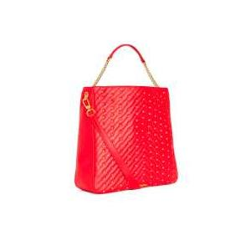 | HOBO | RUBY | 191TA7284 | 16 |  |  |  |  |  |  |  |  |  |  |  |  | 128.00 € | 320.00 € | 2,048.00 € | € 5,120.00
Twinset | 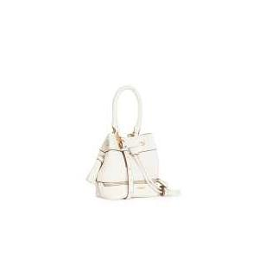 | SECCHIELLO | NERO | 191TA7602 | 21 |  |  |  |  |  |  |  |  |  |  |  |  | 63.50 € | 158.00 € | 1,333.50 € | € 3,318.00
Twinset |  | SECCHIELLO | NEVE | 191TA7602 | 23 |  |  |  |  |  |  |  |  |  |  |  |  | 63.50 € | 158.00 € | 1,460.50 € | € 3,634.00
Twinset | 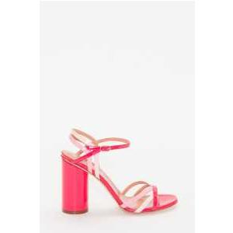 | SANDALO | CUOIO | 191TCP014 | 13 |  |  |  | 11 |  |  |  |  |  | 2 |  |  | 87.50 € | 218.00 € | 1,137.50 € | € 2,834.00
Twinset | 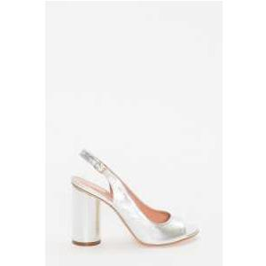 | SANDALO | WILD ROSE | 191TCP016 | 1 |  |  |  | 1 |  |  |  |  |  |  |  |  | 87.50 € | 218.00 € | 87.50 € | € 218.00
Twinset | 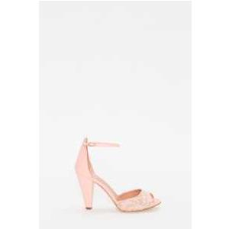 | SANDALO | WILD ROSE | 191TCP028 | 14 |  |  |  | 12 |  |  |  |  |  | 2 |  |  | 79.50 € | 198.00 € | 1,113.00 € | € 2,772.00
Twinset | 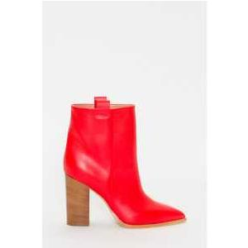 | STIVALE | PERLA ROSA | 191TCP036 | 12 |  |  |  | 10 |  |  |  |  |  | 2 |  |  | 132.00 € | 329.00 € | 1,584.00 € | € 3,948.00
Twinset |  | STIVALE | RUBY | 191TCP036 | 13 |  |  |  | 11 |  |  |  |  |  | 2 |  |  | 132.00 € | 329.00 € | 1,716.00 € | € 4,277.00
Twinset | 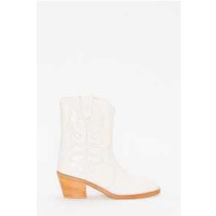 | TEXANO | NEVE | 191TCP038 | 37 |  | 6 |  | 10 |  | 8 |  | 5 |  | 6 |  | 1 | 118.00 € | 295.00 € | 4,366.00 € | € 10,915.00
Twinset | 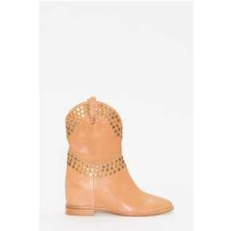 | STIVALE | NERO | 191TCP044 | 14 |  | 2 |  | 2 | 1 |  | 1 | 2 |  | 4 |  | 1 | 119.50 € | 298.00 € | 1,673.00 € | € 4,172.00
Twinset | 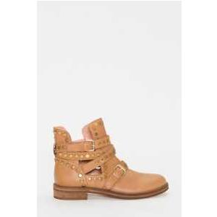 | BIKER | NOUGAT | 191TCP048 | 23 |  | 4 |  | 9 |  | 3 |  | 4 |  | 3 |  |  | 119.50 € | 298.00 € | 2,748.50 € | € 6,854.00
Twinset | 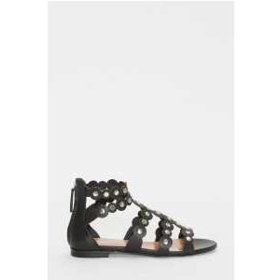 | SANDALO | NERO | 191TCP04C | 32 |  | 6 |  | 10 | 1 | 3 | 2 | 1 |  | 7 |  | 1 | 79.50 € | 198.00 € | 2,544.00 € | € 6,336.00
Twinset | 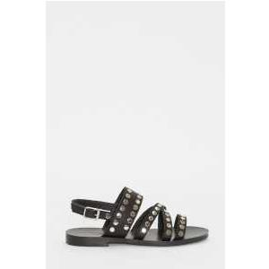 | SANDALO | NERO | 191TCP04G | 34 |  | 5 |  | 13 |  | 6 |  | 3 |  | 5 |  | 1 | 72.00 € | 179.00 € | 2,448.00 € | € 6,086.00
Twinset |  | SANDALO | NOUGAT | 191TCP04G | 21 |  | 3 | 1 | 7 | 1 | 2 | 1 | 1 |  | 3 |  | 1 | 72.00 € | 179.00 € | 1,512.00 € | € 3,759.00
Twinset | 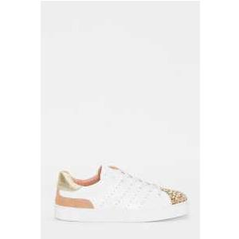 | SNEAKER | BIANCO OTTICO | 191TCP04L | 14 |  | 2 |  | 6 |  | 2 |  | 2 |  | 1 |  |  | 68.00 € | 169.00 € | 952.00 € | € 2,366.00
Twinset | 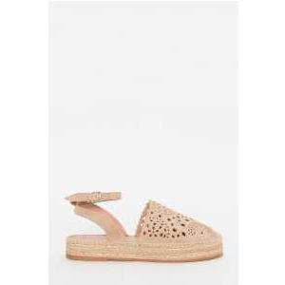 | ESPADRILLAS | NERO | 191TCP062 | 22 |  | 3 |  | 10 |  | 2 |  | 3 |  | 3 |  |  | 64.00 € | 159.00 € | 1,408.00 € | € 3,498.00
Twinset |  | ESPADRILLAS | NOUGAT | 191TCP062 | 46 |  | 9 |  | 8 | 1 | 11 |  | 11 |  | 5 |  | 1 | 64.00 € | 159.00 € | 2,944.00 € | € 7,314.00
Twinset |  | ESPADRILLAS | ST.PITONE GHIACCIO | 191TCP062 | 12 |  |  |  | 10 |  |  |  |  |  | 2 |  |  | 64.00 € | 159.00 € | 768.00 € | € 1,908.00
Twinset |  | SANDALO | NEVE | 191TCP080 | 18 |  | 2 |  | 12 |  | 1 |  |  |  | 3 |  |  | 72.00 € | 179.00 € | 1,296.00 € | € 3,222.00
Twinset |  | MOCASSINO | BIANCO OTTICO | 191TCP082 | 34 |  | 6 |  | 11 |  | 3 |  | 5 |  | 9 |  |  | 76.00 € | 189.00 € | 2,584.00 € | € 6,426.00
Twinset |  | SANDALO | NERO | 191TCP094 | 32 |  | 6 |  | 6 | 1 | 4 | 3 | 5 |  | 5 |  | 2 | 88.00 € | 219.00 € | 2,816.00 € | € 7,008.00
Twinset |  | SANDALO | ST.PITONE GHIACCIO | 191TCP096 | 14 |  |  |  | 7 | 3 |  | 3 |  |  | 1 |  |  | 92.00 € | 229.00 € | 1,288.00 € | € 3,206.00
Twinset |  | SANDALO | NERO | 191TCP104 | 15 |  | 1 |  | 8 | 1 | 2 | 1 | 1 |  |  |  |  | 119.50 € | 298.00 € | 1,792.50 € | € 4,470.00
Twinset |  | SANDALO | ORO ROSA | 191TCP104 | 31 |  | 4 |  | 9 | 1 | 9 |  | 5 |  | 1 |  |  | 119.50 € | 298.00 € | 3,704.50 € | € 9,238.00
Twinset |  | SANDALO | ORO ROSA | 191TCP106 | 23 |  | 2 |  | 9 | 3 |  | 2 | 1 | 2 | 4 |  |  | 76.00 € | 189.00 € | 1,748.00 € | € 4,347.00
Twinset |  | SANDALO | SILVER | 191TCP106 | 21 |  | 2 |  | 10 | 3 | 1 | 1 | 1 | 1 | 1 |  |  | 76.00 € | 189.00 € | 1,596.00 € | € 3,969.00
Twinset |  | ESPADRILLAS | NERO | 191TCP10A | 36 |  | 3 |  | 17 |  | 4 |  | 3 |  | 4 |  | 3 | 76.00 € | 189.00 € | 2,736.00 € | € 6,804.00
Twinset |  | ESPADRILLAS | BOCCIOLO | 191TCP10A | 22 |  | 3 |  | 11 |  | 4 |  | 2 |  |  |  |  | 76.00 € | 189.00 € | 1,672.00 € | € 4,158.00
Twinset |  | SLIP ON | BIANCO OTTICO | 191TCP10G | 34 |  | 5 |  | 12 |  | 8 |  | 1 |  | 7 |  | 1 | 68.00 € | 169.00 € | 2,312.00 € | € 5,746.00
Twinset |  | SNEAKER | BIANCO OTTICO | 191TCP10J | 13 |  |  |  | 5 |  | 4 |  | 1 |  | 2 |  | 1 | 87.50 € | 218.00 € | 1,137.50 € | € 2,834.00
Twinset |  | STIVALE | TORTORA | 191TCP118 | 13 |  |  |  | 11 |  |  |  |  |  | 2 |  |  | 119.50 € | 298.00 € | 1,553.50 € | € 3,874.00
Twinset |  | STIVALE | NOUGAT | 191TCP118 | 47 |  | 8 |  | 20 |  | 4 |  | 4 |  | 3 |  | 1 | 119.50 € | 298.00 € | 5,616.50 € | € 14,006.00
Twinset |  | BIKER | NOUGAT | 191TCP11A | 32 |  | 2 |  | 11 | 2 | 4 | 1 | 5 |  | 4 |  | 2 | 108.00 € | 269.00 € | 3,456.00 € | € 8,608.00
Twinset |  | SANDALO | BIANCO OTTICO | 191TCP122 | 44 |  | 5 |  | 18 |  | 8 | 1 | 8 |  | 4 |  |  | 119.50 € | 298.00 € | 5,258.00 € | € 13,112.00
Twinset |  | SANDALO | NOUGAT | 191TCP122 | 38 |  | 5 |  | 16 | 2 | 3 | 1 | 6 |  | 4 |  |  | 119.50 € | 298.00 € | 4,541.00 € | € 11,324.00
Twinset |  | STRINGATA | BIANCO OTTICO | 191TCP124 | 12 |  |  |  | 11 |  |  |  |  |  | 1 |  |  | 76.00 € | 189.00 € | 912.00 € | € 2,268.00
Twinset |  | STRINGATA | NOUGAT | 191TCP124 | 13 |  |  |  | 12 |  |  |  |  |  | 1 |  |  | 76.00 € | 189.00 € | 988.00 € | € 2,457.00
Twinset |  | STRINGATA | SILVER | 191TCP124 | 12 |  |  |  | 11 |  |  |  |  |  | 1 |  |  | 76.00 € | 189.00 € | 912.00 € | € 2,268.00
Twinset |  | SNEAKER | BIANCO OTTICO | 191TCP126 | 12 |  |  |  | 11 |  |  |  |  |  | 1 |  |  | 68.00 € | 169.00 € | 816.00 € | € 2,028.00
Twinset |  | TRONCHETTO | CUOIO | 191TCP130 | 12 |  |  |  | 10 |  |  |  |  |  | 2 |  |  | 104.00 € | 259.00 € | 1,248.00 € | € 3,108.00
Twinset |  | SANDALO | ST.PITONE CRETA | 191TCP134 | 15 |  |  |  | 12 |  | 1 |  |  |  | 2 |  |  | 88.00 € | 219.00 € | 1,320.00 € | € 3,285.00
Twinset |  | SANDALO | ST.PITONE ANEMONE | 191TCP134 | 12 |  |  |  | 10 |  |  |  |  |  | 2 |  |  | 88.00 € | 219.00 € | 1,056.00 € | € 2,628.00
Twinset |  | SANDALO | NEVE | 191TCP136 | 13 |  |  |  | 11 |  |  |  |  |  | 2 |  |  | 88.00 € | 219.00 € | 1,144.00 € | € 2,847.00
Twinset |  | SANDALO | BOCCIOLO | 191TCP136 | 14 |  |  |  | 12 |  |  |  |  |  | 2 |  |  | 88.00 € | 219.00 € | 1,232.00 € | € 3,066.00
Twinset |  | SANDALO | ST.PITONE ZAFFIRO | 191TCP138 | 13 |  |  |  | 11 |  |  |  |  |  | 2 |  |  | 92.00 € | 229.00 € | 1,196.00 € | € 2,977.00
Twinset |  | SANDALO | ST.PITONE GHIACCIO | 191TCP13A | 29 |  | 8 |  | 13 |  | 2 |  | 5 |  |  |  |  | 72.00 € | 179.00 € | 2,088.00 € | € 5,191.00
Twinset |  | SANDALO | ST.PITONE ZAFFIRO | 191TCP13A | 13 |  |  |  | 11 |  |  |  |  |  | 2 |  |  | 72.00 € | 179.00 € | 936.00 € | € 2,327.00
Twinset |  | SANDALO | ST.PITONE ANEMONE | 191TCP13A | 12 |  |  |  | 10 |  |  |  |  |  | 2 |  |  | 72.00 € | 179.00 € | 864.00 € | € 2,148.00
Twinset |  | TRONCHETTO | RUBY | 191TCP13C | 13 |  |  |  | 11 |  |  |  |  |  | 2 |  |  | 108.00 € | 269.00 € | 1,404.00 € | € 3,497.00
Twinset |  | TRONCHETTO | YELLOW | 191TCP13C | 33 |  | 5 |  | 14 | 1 | 4 | 1 | 4 |  | 2 |  |  | 108.00 € | 269.00 € | 3,564.00 € | € 8,877.00
Twinset |  | TRONCHETTO | ST.PITONE GHIACCIO | 191TCP13C | 12 |  | 1 |  | 6 | 1 | 1 |  | 1 | 1 | 1 |  |  | 108.00 € | 269.00 € | 1,296.00 € | € 3,228.00
Twinset |  | SANDALO | RUBY | 191TCP13E | 13 |  |  |  | 11 |  |  |  |  |  | 2 |  |  | 88.00 € | 219.00 € | 1,144.00 € | € 2,847.00
Twinset |  | SANDALO | YELLOW | 191TCP13E | 13 |  |  |  | 12 |  |  |  |  |  | 1 |  |  | 88.00 € | 219.00 € | 1,144.00 € | € 2,847.00
Twinset |  | RUNNING | SILVER | 191TCP152 | 39 |  | 3 |  | 14 |  | 4 |  | 8 |  | 8 |  | 2 | 76.00 € | 189.00 € | 2,964.00 € | € 7,371.00
Twinset |  | RUNNING | PERLA ROSA | 191TCP154 | 35 |  | 1 |  | 18 |  | 3 |  | 1 |  | 8 |  | 1 | 68.00 € | 169.00 € | 2,380.00 € | € 5,915.00
Twinset |  | SNEAKER | PERLA ROSA | 191TCP166 | 14 |  |  |  | 12 |  |  |  |  |  | 2 |  |  | 91.50 € | 228.00 € | 1,281.00 € | € 3,192.00
Twinset |  | RUNNING | BIANCO OTTICO | 191TCP16A | 15 |  | 7 |  | 2 |  |  |  | 1 |  | 4 |  |  | 79.50 € | 198.00 € | 1,192.50 € | € 2,970.00
Twinset |  | SNEAKER | SILVER | 191TCP170 | 26 |  | 4 |  | 9 |  | 3 |  | 4 |  | 3 |  | 1 | 91.50 € | 228.00 € | 2,379.00 € | € 5,928.00
Twinset |  | SNEAKER | ORO FREE | 191TCP190 | 42 |  | 3 |  | 21 |  | 5 |  | 6 |  | 3 |  | 3 | 63.50 € | 158.00 € | 2,667.00 € | € 6,636.00
Twinset |  | SANDALO | BOCCIOLO | 191TCP210 | 35 |  | 7 |  | 10 | 2 | 4 | 2 | 7 |  | 3 |  |  | 108.00 € | 269.00 € | 3,780.00 € | € 9,415.00
Twinset |  | SANDALO | BOCCIOLO | 191TCP212 | 21 |  | 1 |  | 8 | 1 | 3 | 3 | 3 |  |  |  |  | 79.50 € | 198.00 € | 1,669.50 € | € 4,158.00
Twinset |  | SNEAKER | BIANCO OTTICO | 191TCP220 | 20 |  | 4 |  | 5 |  | 5 |  | 1 |  | 2 |  | 2 | 76.00 € | 189.00 € | 1,520.00 € | € 3,780.00
Twinset |  | ESPADRILLAS | NERO | 191TCP222 | 15 |  |  |  | 13 |  |  |  |  |  | 2 |  |  | 76.00 € | 189.00 € | 1,140.00 € | € 2,835.00
Twinset |  | SCARPA | NERO | 191TCP226 | 12 |  |  |  | 12 |  |  |  |  |  |  |  |  | 100.00 € | 249.00 € | 1,200.00 € | € 2,988.00
Twinset |  | ANFIBIO | PERLA ROSA | 191TCP230 | 12 |  |  |  | 10 |  |  |  |  |  | 2 |  |  | 108.00 € | 269.00 € | 1,296.00 € | € 3,228.00
Twinset |  | SANDALO | NOUGAT | 191TCT010 | 26 |  | 3 |  | 9 | 1 | 4 | 1 | 4 |  | 2 |  | 1 | 92.00 € | 229.00 € | 2,392.00 € | € 5,954.00
Twinset |  | SANDALO | BIANCO OTTICO | 191TCT018 | 13 |  |  |  | 10 |  |  |  |  |  | 3 |  |  | 96.00 € | 239.00 € | 1,248.00 € | € 3,107.00
Twinset |  | SANDALO | ST.PITONE GHIACCIO | 191TCT01C | 15 |  |  |  | 11 |  |  |  |  |  | 4 |  |  | 92.00 € | 229.00 € | 1,380.00 € | € 3,435.00
Twinset |  | SANDALO | NOUGAT | 191TCT01E | 12 |  |  |  | 11 |  |  |  |  |  | 1 |  |  | 100.00 € | 249.00 € | 1,200.00 € | € 2,988.00
Twinset |  | SANDALO | ACCIAIO CRAQUELE' LAMINAT | 191TCT01G | 12 |  |  |  | 11 |  |  |  |  |  | 1 |  |  | 92.00 € | 229.00 € | 1,104.00 € | € 2,748.00
Twinset |  | SANDALO | ROSA CRAQUELE' | 191TCT01G | 12 |  |  |  | 11 |  |  |  |  |  | 1 |  |  | 92.00 € | 229.00 € | 1,104.00 € | € 2,748.00
Twinset |  | SANDALO | ARGENTO | 191TCT01J | 28 |  | 4 |  | 17 |  |  |  | 3 |  | 3 |  | 1 | 104.00 € | 259.00 € | 2,912.00 € | € 7,252.00
Twinset |  | SANDALO | BIANCO OTTICO | 191TCT01L | 12 |  |  |  | 11 |  |  |  |  |  | 1 |  |  | 104.00 € | 259.00 € | 1,248.00 € | € 3,108.00
Twinset |  | SNEAKER | BIANCO OTTICO | 191TCT050 | 45 |  | 12 |  | 18 |  | 6 |  | 6 |  | 2 |  | 1 | 80.00 € | 199.00 € | 3,600.00 € | € 8,955.00
Twinset |  | SANDALO | BIANCO OTTICO | 191TCT052 | 12 |  |  |  | 10 |  |  |  |  |  | 2 |  |  | 68.00 € | 169.00 € | 816.00 € | € 2,028.00
Twinset |  | SANDALO | NERO | 191TCT052 | 18 |  |  |  | 16 |  |  |  |  |  | 2 |  |  | 68.00 € | 169.00 € | 1,224.00 € | € 3,042.00
Twinset |  | SANDALO | NERO | 191TCT056 | 12 |  |  |  | 11 |  |  |  |  |  | 1 |  |  | 64.00 € | 159.00 € | 768.00 € | € 1,908.00
Twinset |  | SANDALO | ARGENTO | 191TCT056 | 12 |  |  |  | 10 |  |  |  |  |  | 2 |  |  | 64.00 € | 159.00 € | 768.00 € | € 1,908.00
Twinset |  | SANDALO | ORO CHIARO FREE | 191TCT056 | 12 |  |  |  | 10 |  |  |  |  |  | 2 |  |  | 64.00 € | 159.00 € | 768.00 € | € 1,908.00
Twinset |  | ESPADRILLAS | NOUGAT | 191TCT05A | 28 |  | 1 |  | 12 |  | 4 |  | 5 |  | 5 |  | 1 | 56.00 € | 139.00 € | 1,568.00 € | € 3,892.00
Twinset |  | ESPADRILLAS | CORAL GERANIUM | 191TCT05A | 29 |  |  |  | 13 |  | 3 |  | 5 |  | 6 |  | 2 | 56.00 € | 139.00 € | 1,624.00 € | € 4,031.00
Twinset |  | SANDALO | ST.PITONE GHIACCIO | 191TCT05E | 12 |  |  |  | 11 |  |  |  |  |  | 1 |  |  | 76.00 € | 189.00 € | 912.00 € | € 2,268.00
Twinset |  | ESPADRILLAS | OLIVE | 191TCT05L | 12 |  |  |  | 10 |  |  |  |  |  | 2 |  |  | 52.00 € | 129.00 € | 624.00 € | € 1,548.00
Twinset |  | SANDALO | OLIVE | 191TCT05N | 12 |  |  |  | 11 |  |  |  |  |  | 1 |  |  | 60.00 € | 149.00 € | 720.00 € | € 1,788.00
Twinset |  | SANDALO | NERO | 191TCT092 | 47 |  | 9 |  | 10 |  | 8 | 1 | 8 |  | 3 |  | 4 | 92.00 € | 229.00 € | 4,324.00 € | € 10,763.00
Twinset |  | SANDALO | ARGENTO | 191TCT09Q | 38 |  | 5 |  | 17 |  | 1 |  | 8 |  | 2 |  | 1 | 96.00 € | 239.00 € | 3,648.00 € | € 9,082.00
Twinset |  | SANDALO | NOUGAT | 191TCT09U | 19 |  | 2 |  | 12 |  | 1 |  | 2 |  | 1 |  |  | 56.00 € | 139.00 € | 1,064.00 € | € 2,641.00
Twinset |  | SANDALO | TILE BLUE | 191TCT09U | 39 |  |  |  | 12 | 26 |  |  |  |  | 1 |  |  | 56.00 € | 139.00 € | 2,184.00 € | € 5,421.00
Twinset |  | SANDALO | CORAL GERANIUM | 191TCT09U | 14 |  | 1 |  | 10 | 2 |  | 1 |  |  |  |  |  | 56.00 € | 139.00 € | 784.00 € | € 1,946.00
Twinset |  | SANDALO | ARGENTO | 191TCT09W | 46 |  | 9 |  | 14 |  | 6 |  | 3 | 0 | 4 |  | 1 | 56.00 € | 139.00 € | 2,576.00 € | € 6,394.00
 |  |  |  |  | 3135 |  |  |  |  |  |  |  |  |  |  |  |  |  |  | 248,483.00 € | € 621,302.00

